Sales
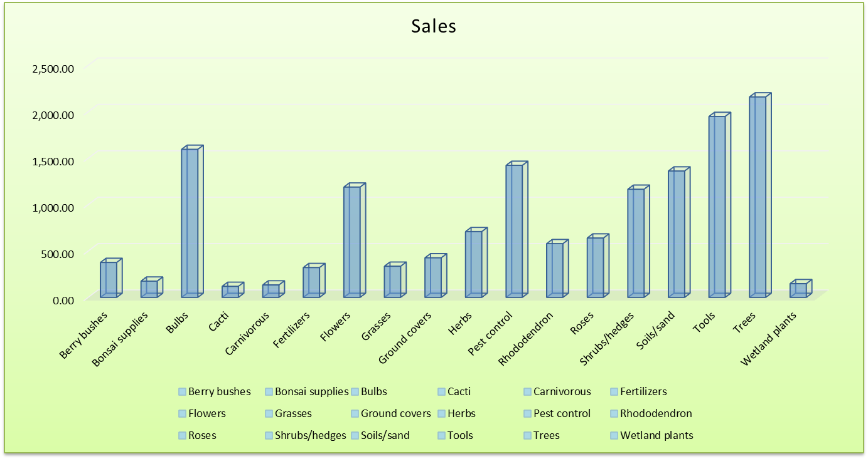

Category | Sales
Berry bushes | 376.50
Bonsai supplies | 175.40
Bulbs | 1,595.09
Cacti | 119.00
Carnivorous | 134.30
Fertilizers | 321.65
Flowers | 1,188.25
Grasses | 335.90
Ground covers | 426.55
Herbs | 709.05
Pest control | 1,422.13
Rhododendron | 579.02
Roses | 639.86
Shrubs/hedges | 1,164.90
Soils/sand | 1,361.40
Tools | 1,949.22
Trees | 2,159.24
Wetland plants | 148.00
Total | 14,805.46

Sales Chart
 | Sales
Berry bushes | 376.50
Bonsai supplies | 175.40
Bulbs | 1,595.09
Cacti | 119.00
Carnivorous | 134.30
Fertilizers | 321.65
Flowers | 1,188.25
Grasses | 335.90
Ground covers | 426.55
Herbs | 709.05
Pest control | 1,422.13
Rhododendron | 579.02
Roses | 639.86
Shrubs/hedges | 1,164.90
Soils/sand | 1,361.40
Tools | 1,949.22
Trees | 2,159.24
Wetland plants | 148.00

Seattle
Air Quality Index Report
Seattle, WA

Air Quality Index Report
Air Quality | Days | Percent
Good | 284 | 0.78
Moderate | 73 | 0.20
Unhealthy for Sensitive Groups | 7 | 0.02
Unhealthy | 1 | 0.00
Total | 365

